Introduction
Our team at Vanderbloemen has put together this spreadsheet to assist you with the Forgiveness Application of PPP.
Please refer to our PPP slides that are continually updated: | https://www.vanderbloemen.com/ppp-loan-forgiveness
We will continue to update this Spreadsheet with the latest information. All updates and changes will appear in red font so you can quickly see what has changed.
Outline of this Application is in reverse order to the PPP Forgiveness Spreadsheet: https://home.treasury.gov/system/files/136/3245-0407-SBA-Form-3508-PPP-Forgiveness-Application.pdf |  |  | This cell needs to be filled in by YOU
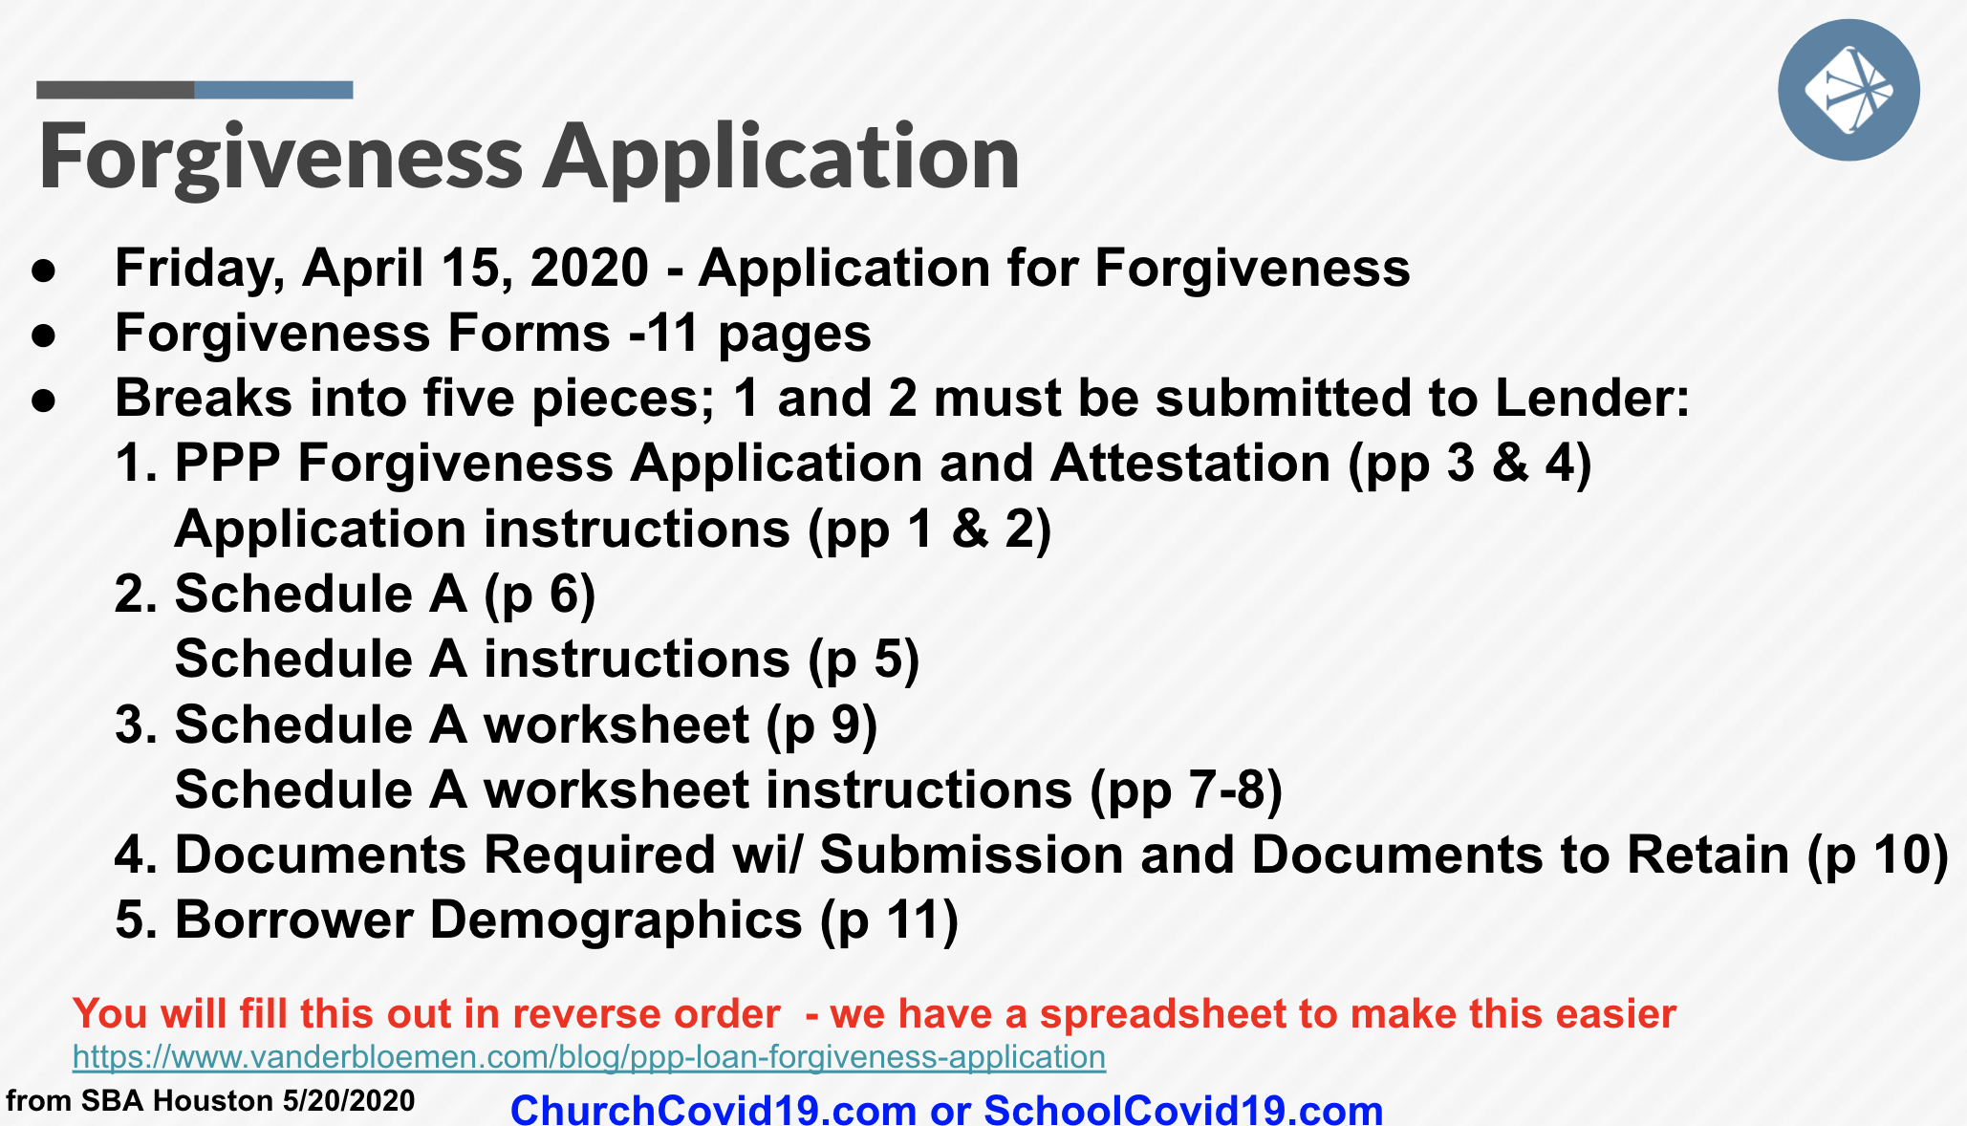
These steps below correspond to the following spreadsheets. Please start with Step 1 and work to Step 6 |  | 0 | This cell is a formula or data from another sheet, do NOT input anything in grey cells.

 |  | Vanderbloemen is not an accoutant, attorney, or expert in the area of PPP. We are just a company trying to help other Christian organizations. If you have any questions please consult your attorney or accountant.

 |  | Contact Vanderbloemen: Info@Vanderbloemen.com

